SystemTestCases
Application | Freedom Of Information
Date | 24th Dec 2020
Tester | Mohana Kamanooru
Browser | Chrome
IDE/Server Details | Application run on Eclipse IDE , Local desktop
Application Environment | Testing Environment
Test Results | PASS

TestCaseID | Test Scenario | Pre-requisites | Testing Process | Test Inputs | Expected Output | Actual Output | Test Results | Comments
test_home_001 | Home Page | Make sure the application is loaded and the server is up and runnin in the testing environment | 1. Open the url http://localhost:5000/ in browser | None | Application home page is loaded on the browser with | 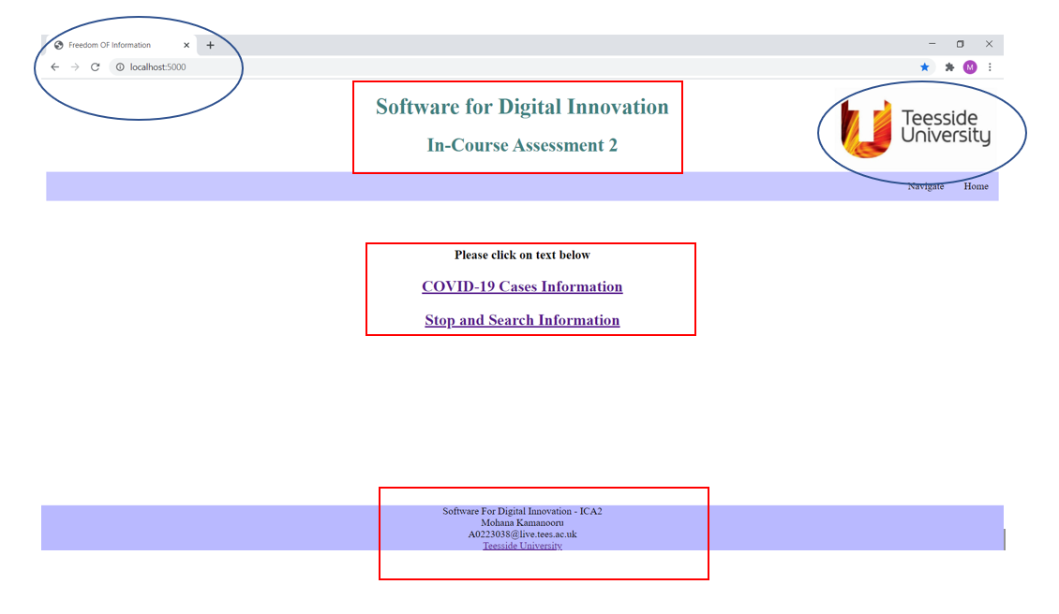 | Pass
 |  |  |  |  | 1. Two Active Search links on the main html page ,
 |  |  |  |  | 2. Two active menu links on the top right of the html
 |  |  |  |  | 3.Actively loaded header with image and footer .
test_home_002 | COVID Search link (Landing Page) | Home page loading successful | 1. click on the COVID-19 cases Information link on the main page | None | Sucessfully loaded covid search page | 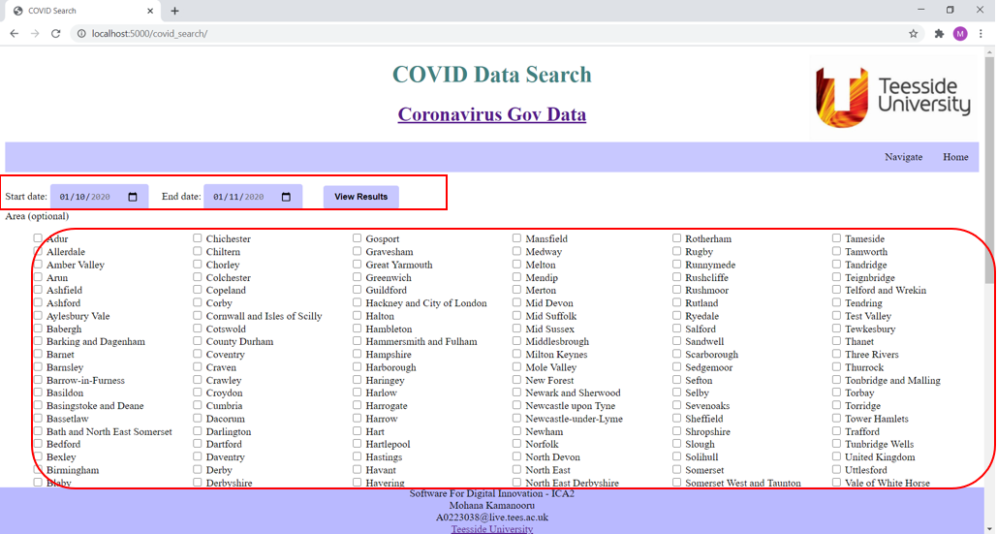 | Pass
 |  |  |  |  | 1. Start and End date fields loaded with default dates as 01/10/2020 and 01/11/2020
 |  |  |  |  | 2. View results button placed next to the date fields
 |  |  |  |  | 3. Optional Areas with check boxes for user to search
 |  |  |  |  | 4.Actively loaded header and footer with image on top right.
test_home_003 | Stop and Search link (Landing Page) | Home page loading successful | 1. click on the Stop and Search Information link on the main page | None | Successfully loaded Stop and Search page | 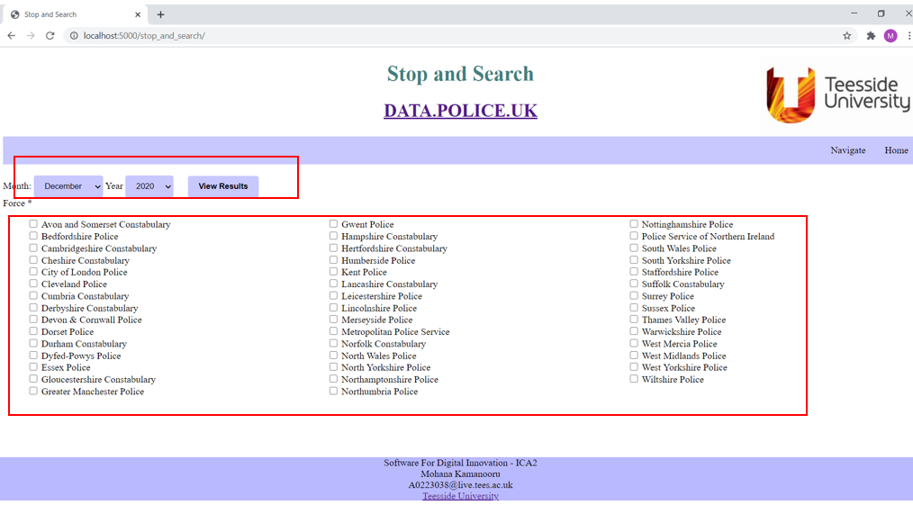 | Pass
 |  |  |  |  | 1. Month and year date fields with default December 2020
 |  |  |  |  | 2. View results button placed next to the date fields
 |  |  |  |  | 3. Check box to select force
 |  |  |  |  | 4.Actively loaded header and footer with image on top right.
test_covid_004 | COVID Search Page ( incorrect input dates) | Covid information page loading successfull | 1. click on the COVID-19 cases Information link on the main page |  | 1.Enter the given input dates | 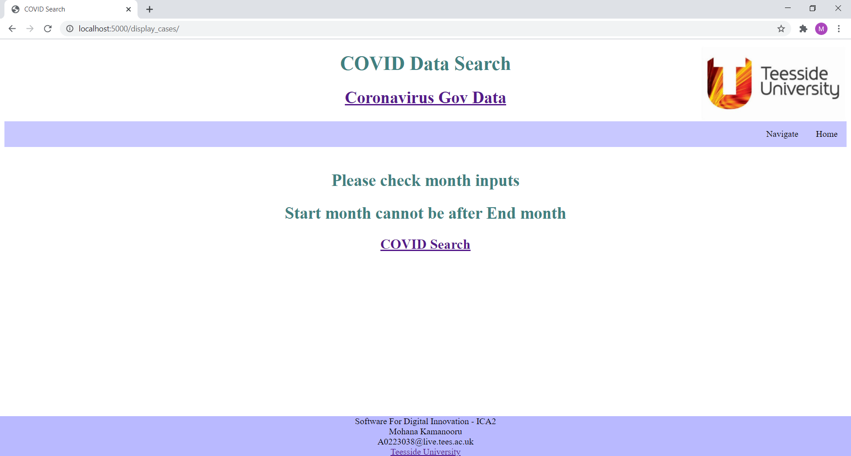 | Pass
 |  |  |  |  | 2.click on view results
 |  |  |  |  | 3.html page should be loaded saying start date must be after end date. Error page

test_covid_005 | COVID search Page (Display cases Landing page) | Covid information page loading successfull | 1. click on the COVID-19 cases Information link on the main page | start date - 01/10/2020 , end date - 01/11/2020 | 1.Enter the given input dates | 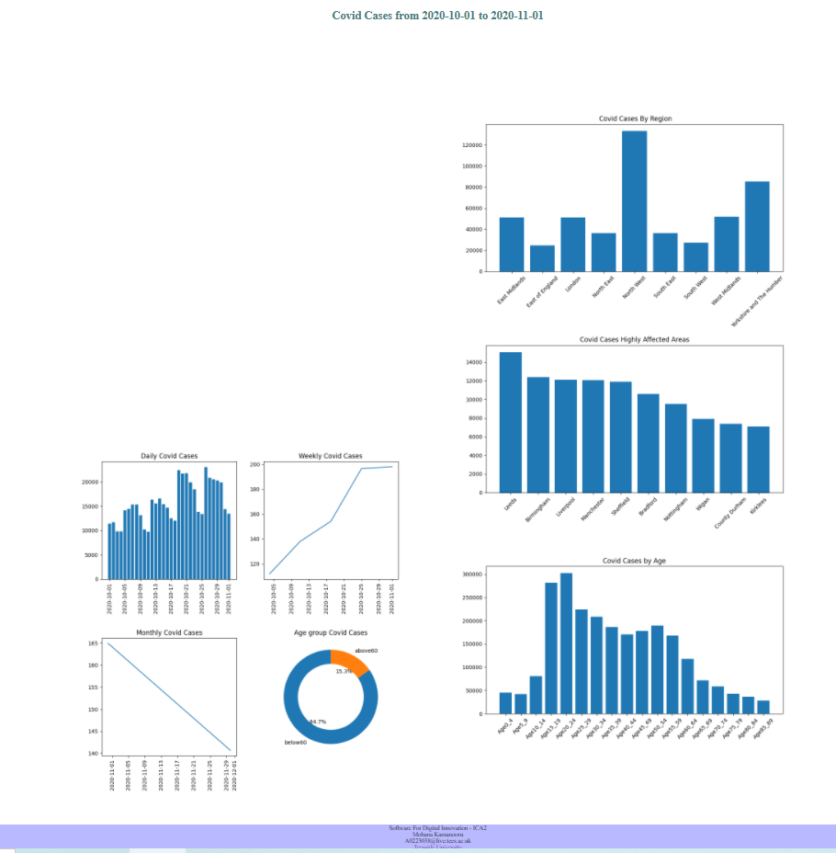 | Pass
 |  |  |  |  | 2.click on view results
 |  |  |  |  | 3.html page should be loaded showing plots of all available data. Http://localhost:5000/isplay_plots

test_covid_006 | COVID Search Page ( display cases landing page for multiple areas) | Covid information page loading successfull | 1. click on the COVID-19 cases Information link on the main page | start date - 01/10/2020 , end date - 01/11/2020. Select Areas County Durham , Darlington , Hartlepool , Newcastle Upon Tyne | 1.Enter the given input dates and select the areas mentioned | 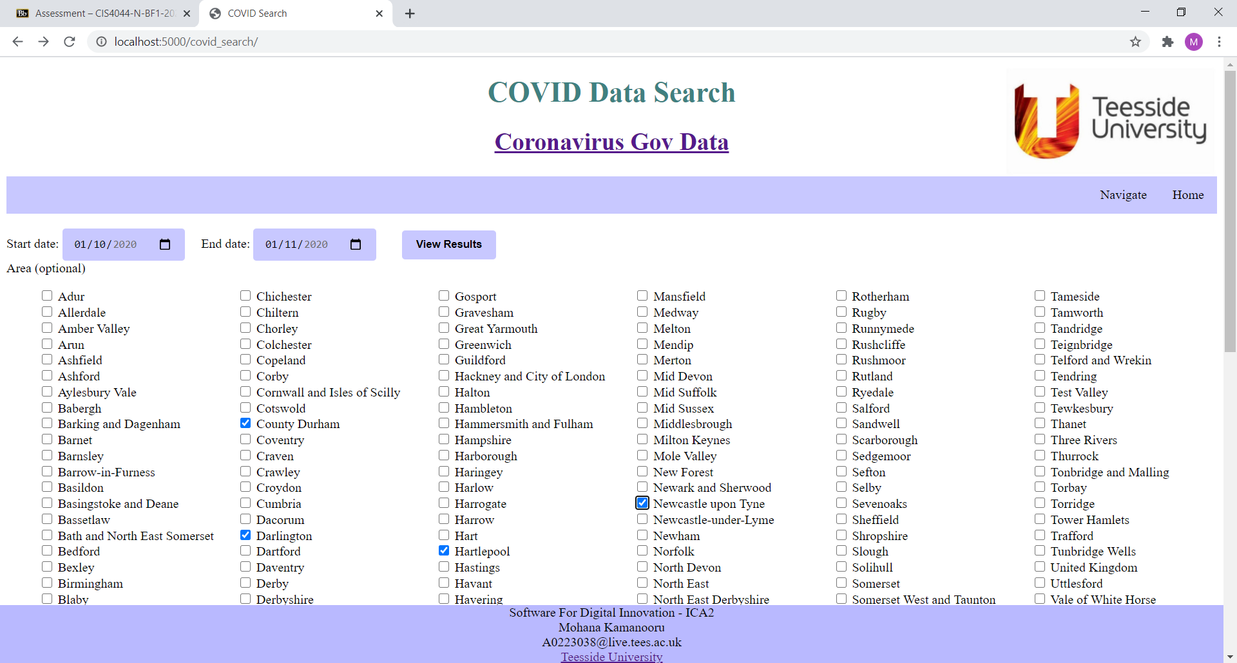 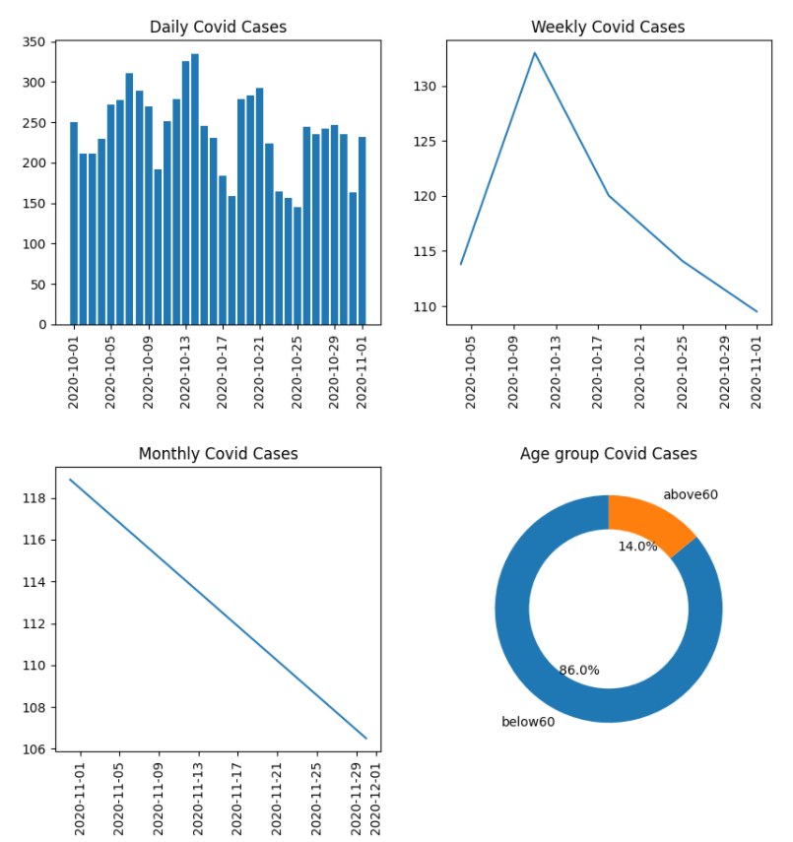 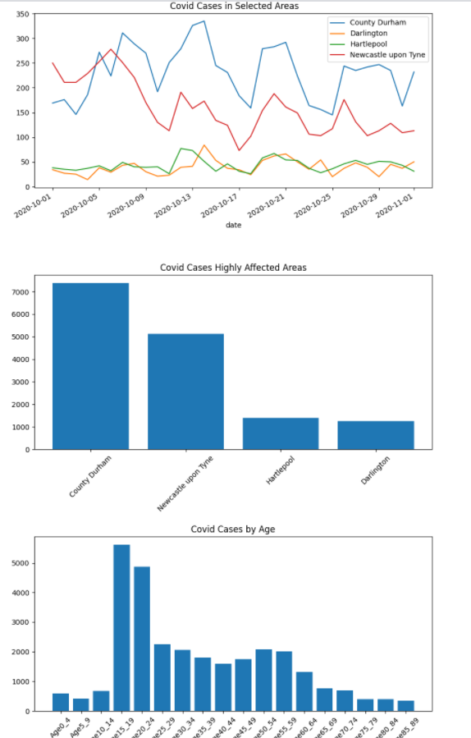 | Pass
 |  |  |  |  | 2.click on view results
 |  |  |  |  | 3.html page should be loaded showing plots of all available data. Http://localhost:5000/isplay_plots

test_StopSearch_007 | Stop and Search Page | Stop and Search information page loading successfull | click on the Stop and Search Information link on the main home page. | None | Month and Year dropdown with December and 2020 default values should be loaded | 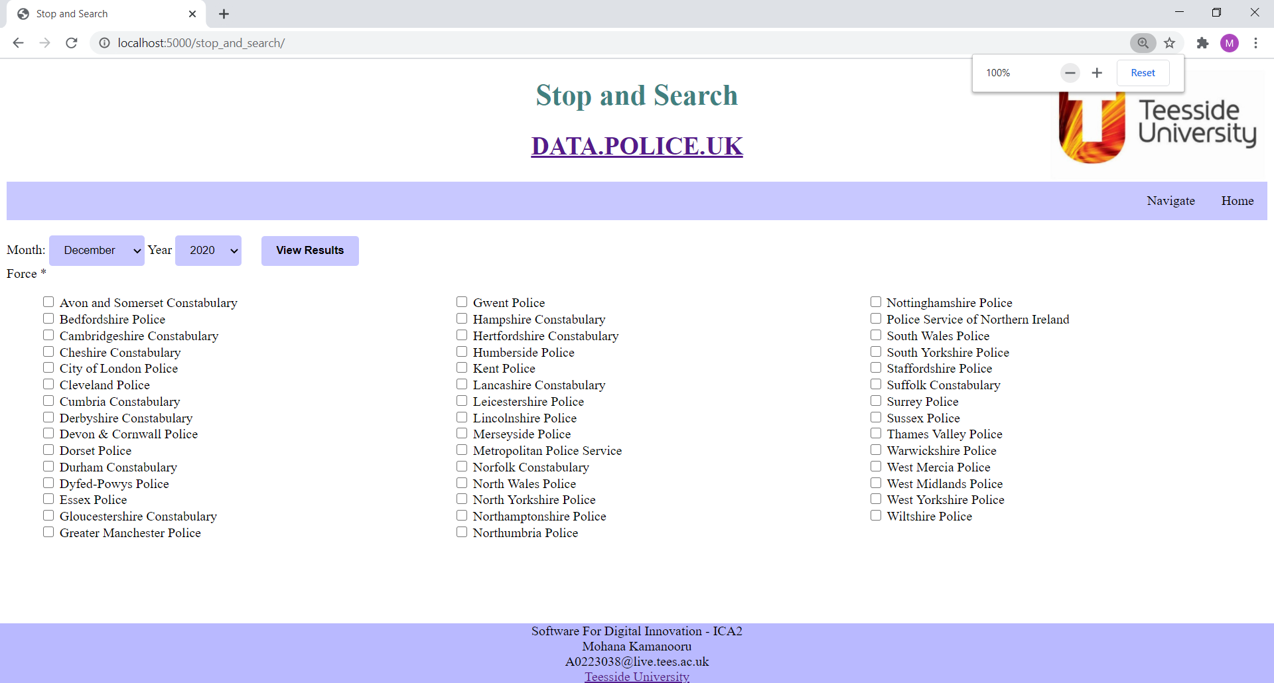 | Pass

test_StopSearch_008 | Stop and Search Page ( no force seleced to view results) | Stop and Search information page loading successfull | click on the Stop and Search Information link on the main home page. | None | Error page should be displayed . Atleast one force should be selected from the checklist in stop and search page. | 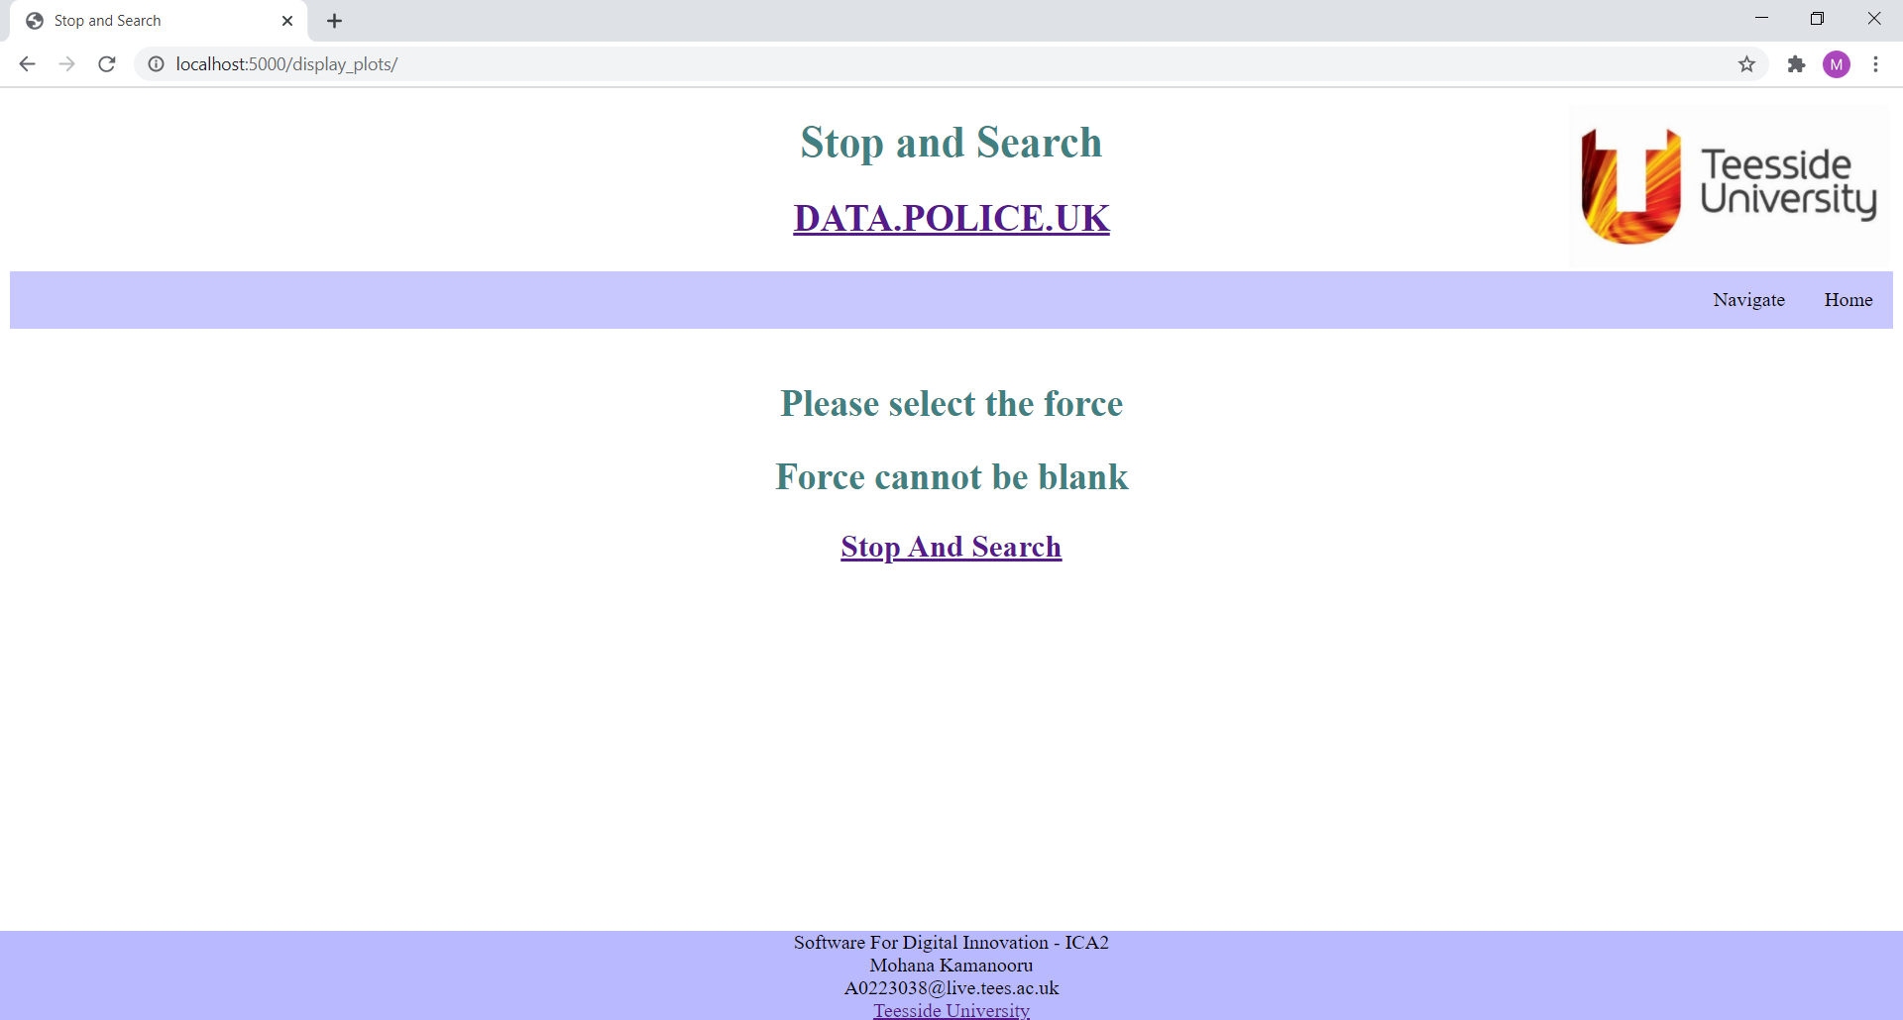 | Pass

test_StopSearch_009 | Stop and Search Page ( single force seleced to view results) | Stop and Search information page loading successfull | click on the Stop and Search Information link on the main home page. | Month - July , year -2020 and force - Cleveland Police | Landing page should didplay the record details of cleveland |  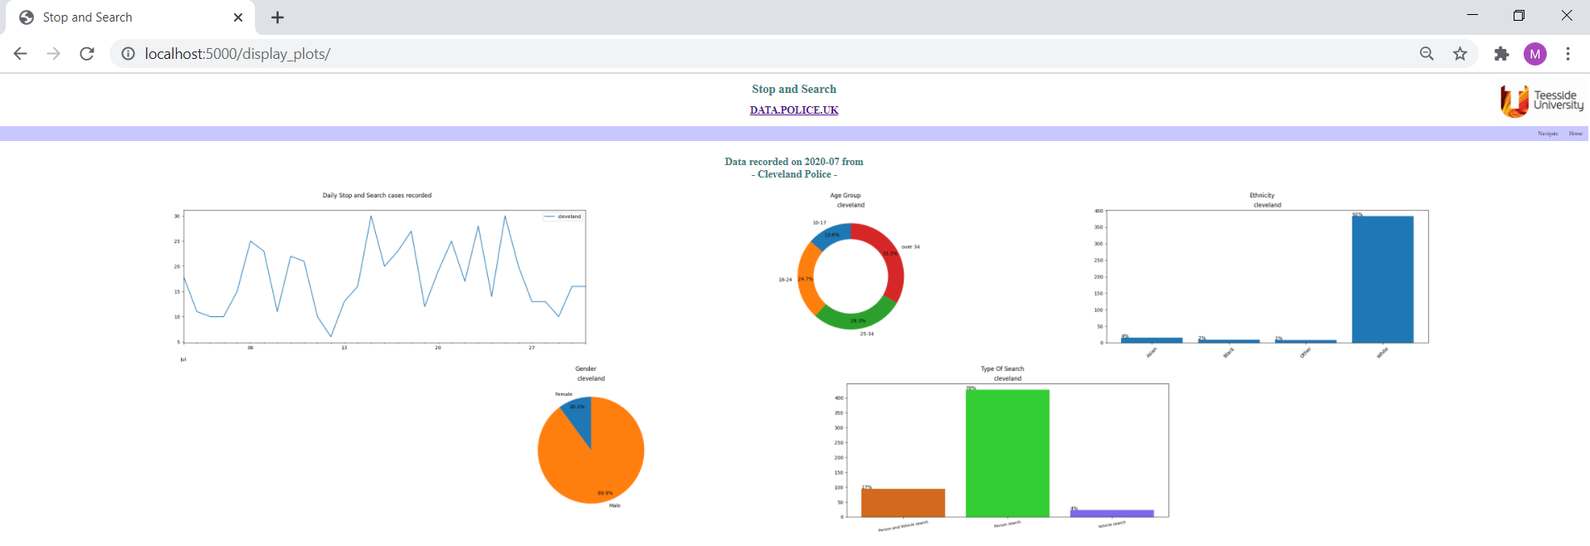 | Pass

test_StopSearch_010 | Stop and Search Page ( multiple forces seleced to view results) | Stop and Search information page loading successfull | click on the Stop and Search Information link on the main home page. | Month - Febbruary , year -2019 and force - Cleveland Police , Kent Police ans Surrey Police | Landing page should didplay the record details of selected forces and a comparision plot for all the forces. |  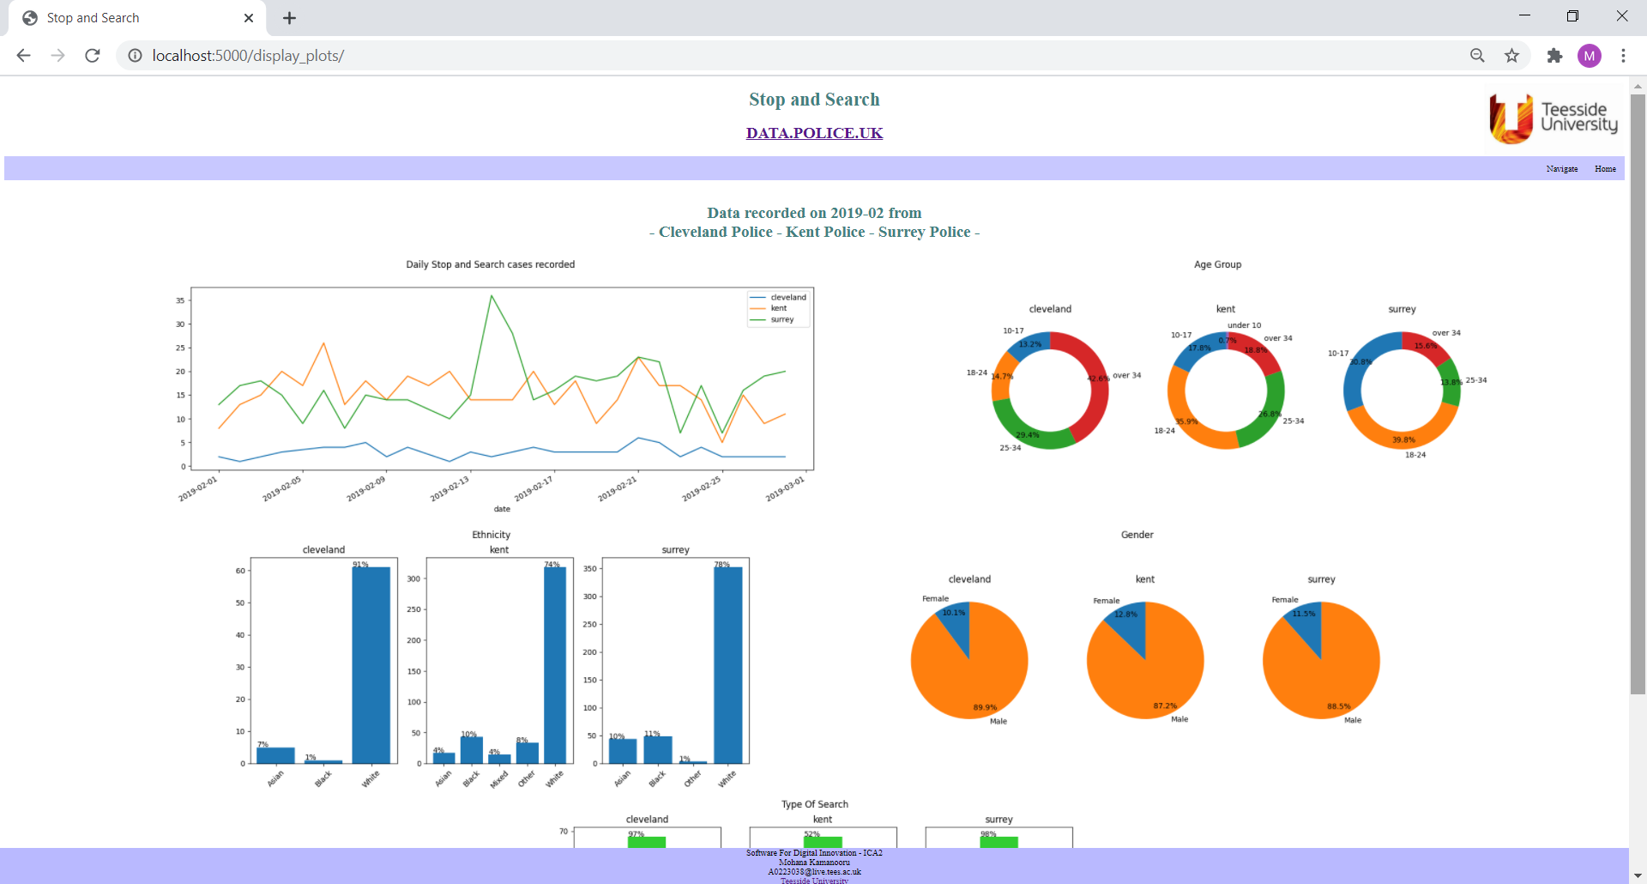 | Pass

